1. Title Page
[Instacart Grocery Basket Analysis]

Project Name: Instacart Grocery Basket Analysis
Date: 4-02.24
Analyst Name: Nagammai Athappan

Contents:
Population Flow
Consistency checks
Wrangling steps
Column derivations
Visualizations
Recommendations

 | Citation : | The Instacart Online Grocery Shopping Dataset 2017”, Accessed from www.instacart.com/datasets/grocery-shopping-2017 via Kaggle .

2. Population Flow
Title page

Population flow

Exclusion flag
Condition: max_order < 5
Obervations to be removed:
Final total count of order_products_all: 30,964,564

Orders_products_combined
Orders_products_merged
Orders_products_all

Total: 32,434,489
Total: 32,404,859
Total: 32,404,859

1.) The grey boxes in the first row of the population flow represent the original data sets as they were when you downloaded them. In the Total fields you need to add the count of the rows when you imported the data set into Jupyter.
2.) The second row of boxes (coloured) represents the data sets after you manipulated them, e.g., removed missing values and duplicates. In the Total fields you need to add the count of the rows after conducting these operations. This offers a visual oveview of how the data flows throughout the data consistency checks.
3.) The third row, where also the arrows are coloured, represents the merges you performed between the datasets. In the Total fields you need to add the count of the rows in the merged datasets, so that you end up with the final dataset (in the red box). Keep in mind the final dataset should be without exclusions (based on the exclusion flag).

3. Consistency checks
 |  |  |  | Title page
Consistency checks

Dataset | Missing values | Missing values treatment | Duplicates
orders | In days_since_last_order column 206209 records are missing | Create a new dataframe, df_ords_nan, containing only those values within the "days_since_last_order" column that meet the condition isnull() = True. | No Duplicates found.
products | In Product_name column 16 records are missing | Create a new dataframe, df_nan, containing only those values within the "product_name. column that meet the condition isnull() = True. | 5 Duplicate records found
orders_products_prior | No Missing values |  | No Duplicates found.
customers | In column First Name 11259 records are missing | 11259 first_name is missing in customer dataset. We can not remove those values. So it should be as it is. Those missing first_name customers surname are there. | No Duplicates found.

4. Wrangling steps
 |  |  |  | Title page
Wrangling steps

Columns dropped | Columns renamed | Columns' type changed | Comment/Reason
eval_set |  |  | The variable does not have any relevent data for analysis
 | order_dow to order_days_of_week |  | Dow doesn’t mean any sense so it changed to understandable format as orders_days_of_week
 | days_since_prior_order' to days_since_last_order |  | understandable format
 | surnam to Surmane |  | spelling mistake in surname
 | n_dependants to Dependants |  | Readable format
 | fam_status to Family_status |  | Spelling mistake in surname
 |  | order_id to str | Changing data type to string
 |  | user_id to str | Changing data type to string
 |  | date_joined column to datetime | Changing data type to datetime

5. Column derivations
 |  |  |  | Title page

Column derivations and aggregations

In this tab you should add tables below that the frequences of flags/label variables that you produced after deriving them. NB: don't do this for continuous variables, only for flags.
Dataset | New column | Column/s it was derived from | Conditions
df_ords_prods_merge | price_range_loc | prices | > 15 'High-range product' < 15 and > 5 'Mid-range product' <= 5 'Low-range product'
 | busiest_day | order_dow | if value == 0: result.append("Busiest day") elif value == 4: result.append("Least busy") else: result.append("Regularly busy")
 | busiest_period_of_day | order_hour_of_day | for value in df_ords_prods_merge["order_hour_of_day"]: if value in (10, 11, 14, 15, 13, 12, 16, 9): result.append("Most orders") elif value in (17, 8, 18, 19, 20, 7, 21, 22): result.append("Average orders") else: result.append("Fewest orders")
 | max_order | user_id, order_number | groupby(['user_id'])['order_number'].transform(np.max)
 | loyalty_flag | max_order | max_order > 40 = 'Loyal customer' max_order <= 40 & max_order > 10 = 'Regular customer' max_order <= 10 = 'New customer'
 | spending_flag | prices_mean | prices_mean < 10 = 'Low spender' prices_mean >= 10 = 'High spender'
 | order_frequency_flag | days_since_prior_order_median | days_since_prior_order_median > 20 = 'Non-frequent customer' days_since_prior_order_median > 10 & days_since_prior_order_median <= 20 = 'Regular customer' days_since_prior_order_median <= 10 = 'Frequent customer'
df_orders_products_filtered | region | state | Northeast if State In 'Maine', 'New Hampshire', 'Vermont', 'Massachusetts', 'Rhode Island', 'Connecticut', 'New York', 'Pennsylvania', 'New Jersey' Midwest if State In 'Wisconsin', 'Michigan', 'Illinois', 'Indiana', 'Ohio', 'North Dakota', 'South Dakota', 'Nebraska', 'Kansas', 'Minnesota', 'Iowa', 'Missouri' South If State In 'Delaware', 'Maryland', 'District of Columbia', 'Virginia', 'West Virginia', 'North Carolina', 'South Carolina', 'Georgia', 'Florida', 'Kentucky', 'Tennessee', 'Mississippi','Alabama','Oklahoma','Texas','Arkansas','Louisiana' West If State In 'Idaho', 'Montana', 'Wyoming', 'Nevada', 'Utah', 'Colorado', 'Arizona', 'New Mexico', 'Alaska', 'Washington', 'Oregon', 'California','Hawaii'
 | exclusion_flag | max_order | Exclude 'max_order' < 5
 | age_group | age | age_bins = [18, 25, 35, 45, 55, 65, 100] age_labels = ['18-24', '25-34', '35-44', '45-54', '55-64', '65+']
 | income_group | income | income_bins = [0, 50000, 100000, 150000, 200000, 300000, 999999] income_labels = ['0-50k', '50k-100k', '100k-150k', '150k-200k', '200k-300k', '300k+']
 | is_young_parent | department_id | department_id = 18 babys
 | is_pet_owner | department_id | department_id = 8 pets
 | customer_profile | income_group, age_group, dependants, is_young_parent, is_pet_owner | income_group == '0-50k') or (income_group == '50k-100k') = 'Low Income' income_group == '100k-150k') or (income_group == '150k-200k') = 'Middle Income' income_group == '200k-300k') = 'High Income' income_group == '300k+') = 'Upper Income' age_group == '25-34' and income_group == '0-50k' and dependants == 0 = 'Single Adult' age_group == '25-34' and income_group == '50k-100k' and dependants == 0 = 'Single Adult' age_group == '25-34' and income_group == '50k-100k' and is_young_parent and dependants > 0 = 'Young Parent' income_group != '0-50k' and is_pet_owner = 'Pet Owner'
 | department | departments_wrangled.csv | merged using department_id

6. Visualizations
 |  |  | Title page

Visualisations

In this tab you should include all the visualtions from Exercises 4.9 and 4.10, alongside the questions from the project brief that they answer. Include any commentary on the relationship between different variables.

Key Questions
1. The sales team needs to know what the busiest days of the week and hours of the day are (i.e., the days and times with the most orders) in order to schedule ads at times when there are fewer orders.

 | Order day of week Distribution |  |  |  |  | Order hour of Day

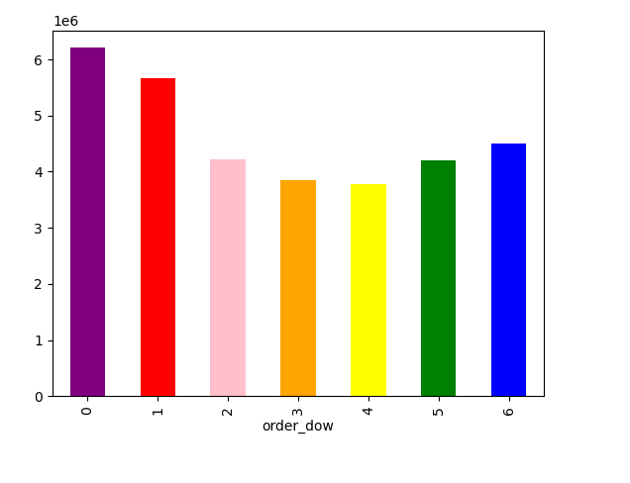
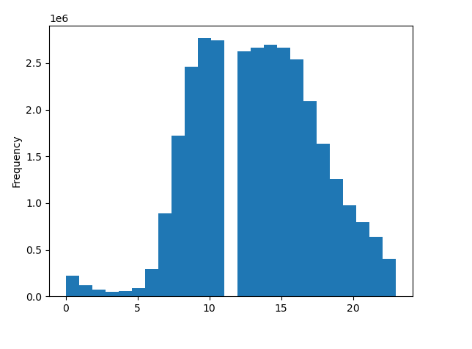

The Busiest day of the week are Saturday, Sunday and Friday. |  |  |  |  | The Busiest time is from morning 9 - evening 4.
The least busy days of the week are Tuesday & Wednesday.
Monday & Thursday are in same Distribution

2. They also want to know whether there are particular times of the day when people spend the most money, as this might inform the type of products they advertise at these times.

 | Order hour of day
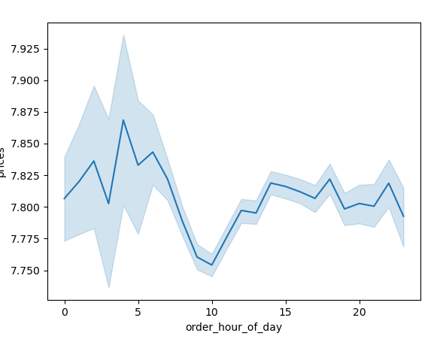

Recommendation : Early moring is the best times for Ads, because the orders are less than other times but the amount is higher.

3. Instacart has a lot of products with different price tags. Marketing and sales want to use simpler price range groupings to help direct their efforts

 | Histogram of Price


High Price: over $15, Middle Price: between $15 and $7, Low Price: under $7
Since most products are in the price range of $15 or less, you can set a high price of $15 or more

4. Are there certain types of products that are more popular than others? The marketing and sales teams want to know which departments have the highest frequency of product orders.

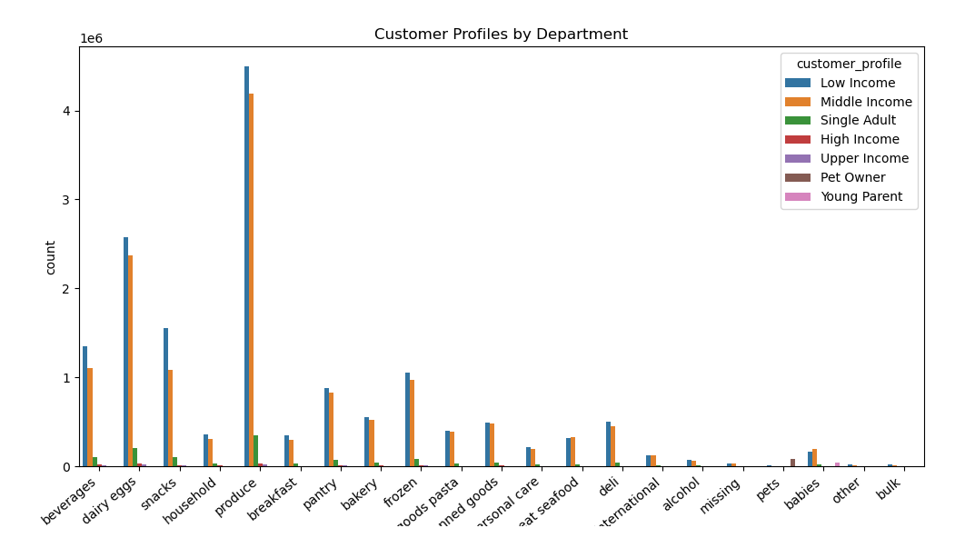

The departments with the most orders are produce, dairy eggs, snacks, beverages, and frozen.

5a. What’s the distribution among users in regards to their brand loyalty (i.e., how often do they return to Instacart)?

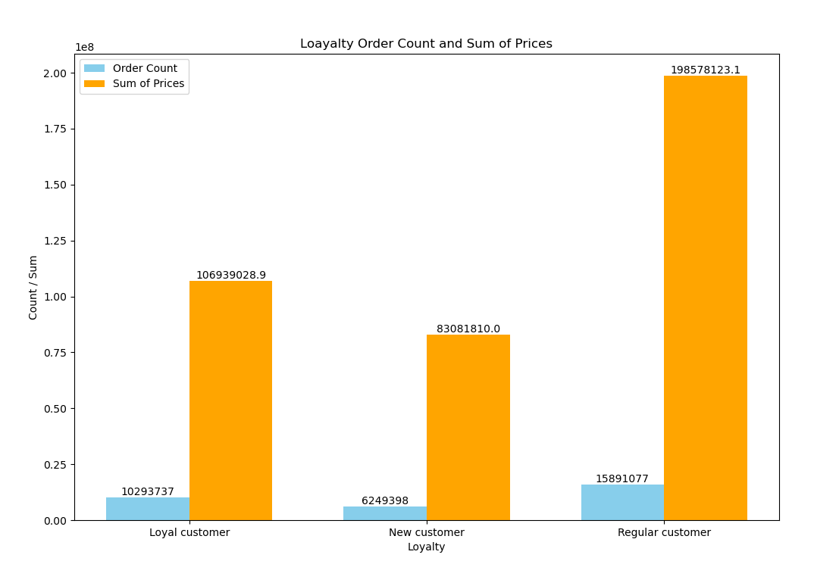

Regular customers who ordered more made up the largest share in numbers and spend.

5b. Are there differences in ordering habits based on a customer’s loyalty status?

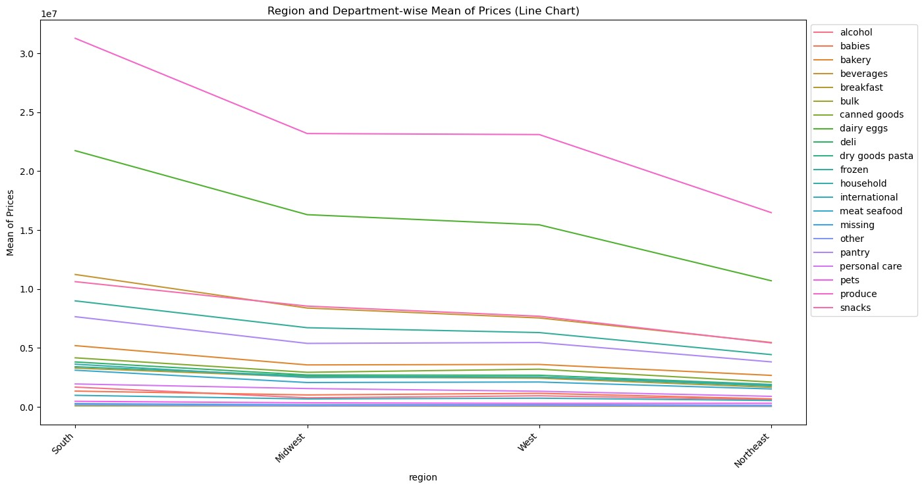

There is no significant difference in ordering habits based on customer loyalty. All customers order produce the most, followed by dairy eggs, snacks, and beverages.
These four departments account for approximately 80% of total orders.

5c. Are there differences in ordering habits based on a customer’s region?

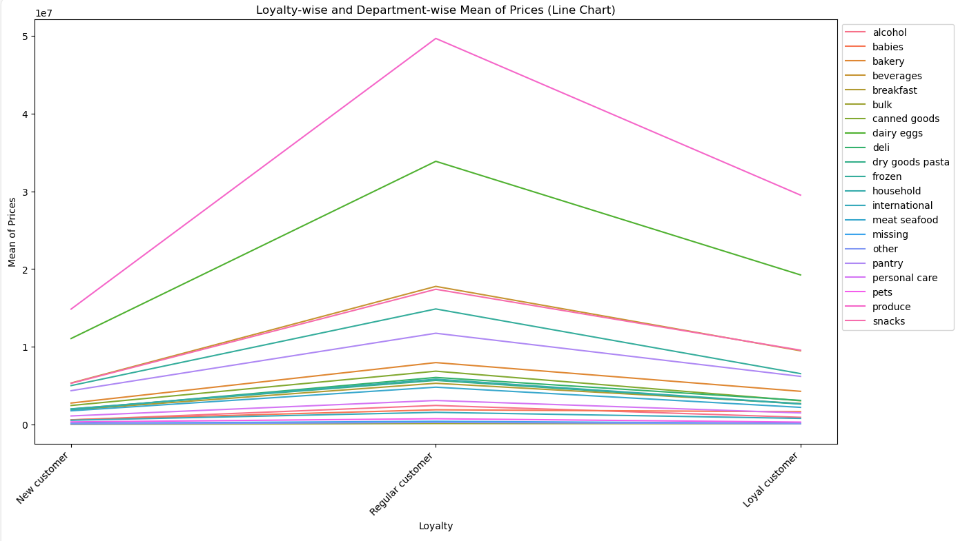

There is no significant difference in ordering habits based on the regions.

5d. Is there a connection between age and family status in terms of ordering habits?

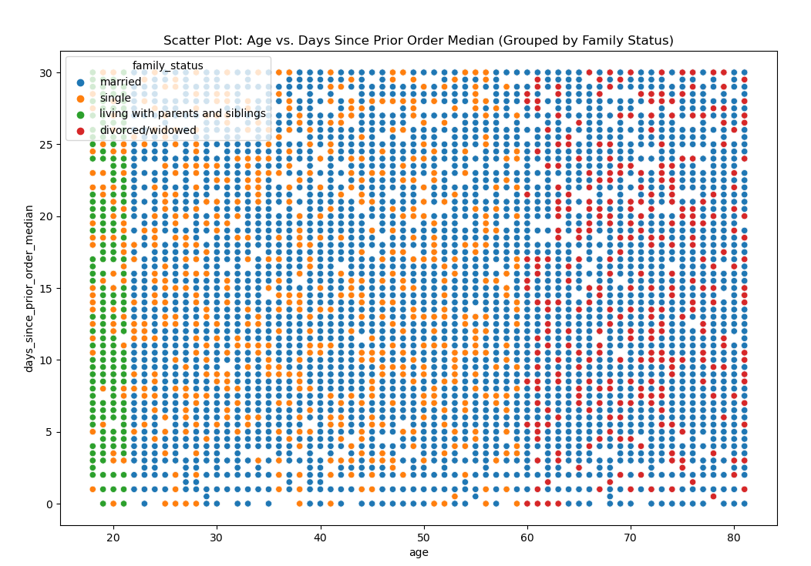
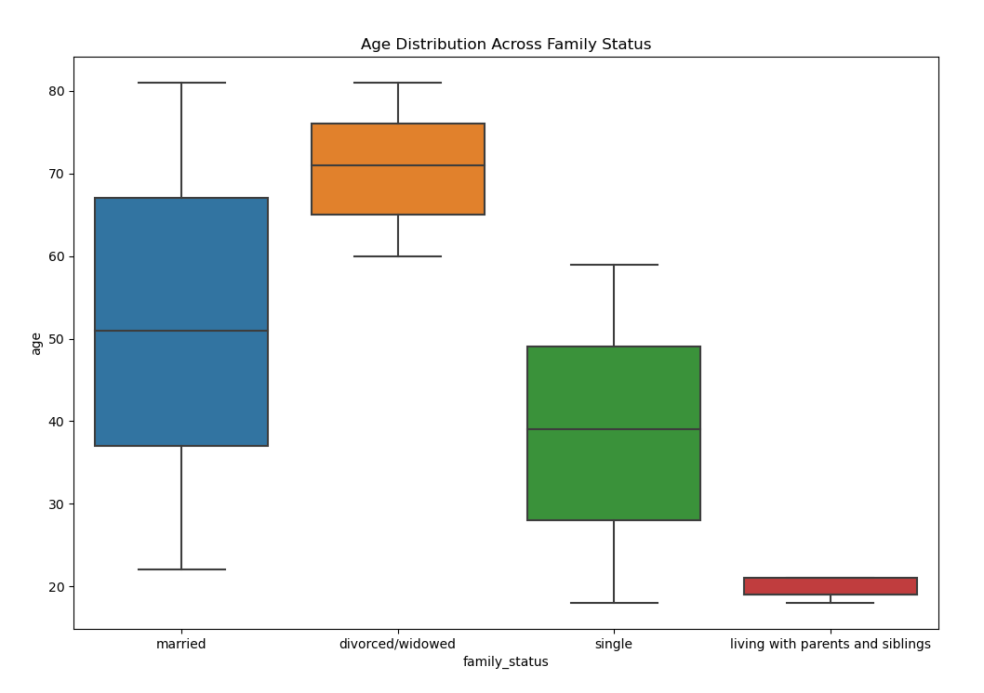

Approximately 70% of our customers are married, 30% of our customers are single.
Customers in Family status means married customers are ordering most compare to the other customers. Next comes the single status customers.

5e. What different classifications does the demographic information suggest? Age? Income? Certain types of goods? Family status?

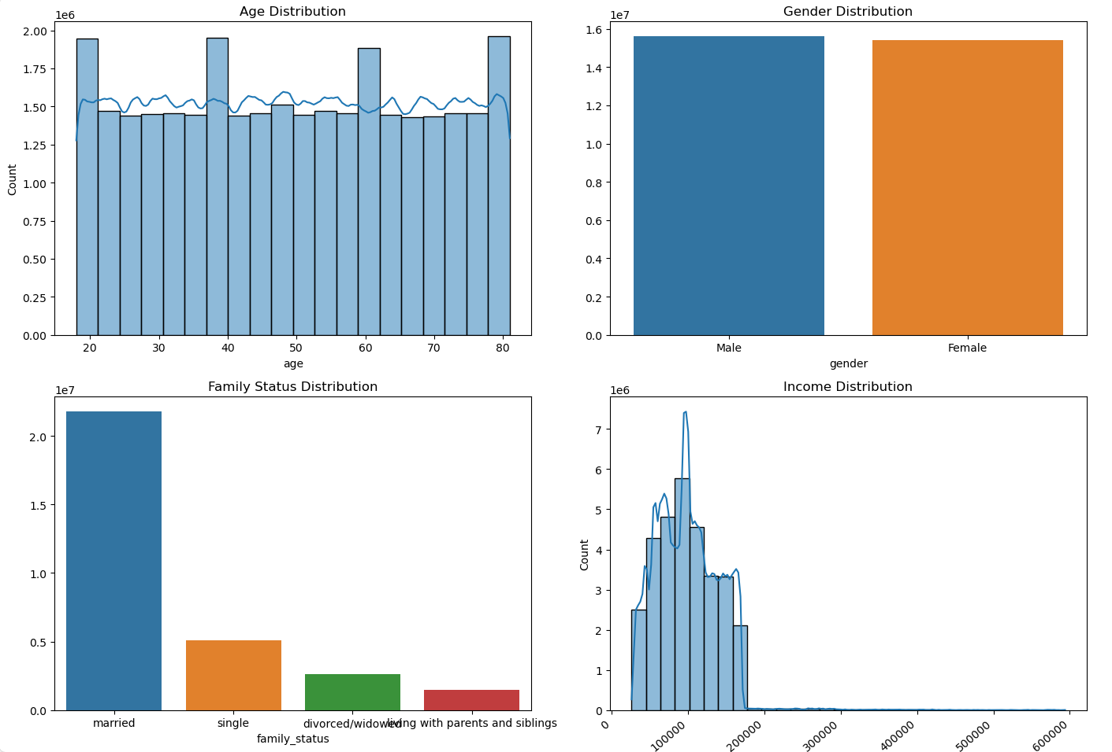

It is clear that almost for every customer profile the expenditure on each department is same except pets, babys, international.
In meat and Seafood low income and middle income more are less same .
The highest expenditure is made by low & middle income together.

5f. What differences can you find in ordering habits of different customer profiles? Consider the price of orders, the frequency of orders, the products customers are ordering, and anything else you can think of.

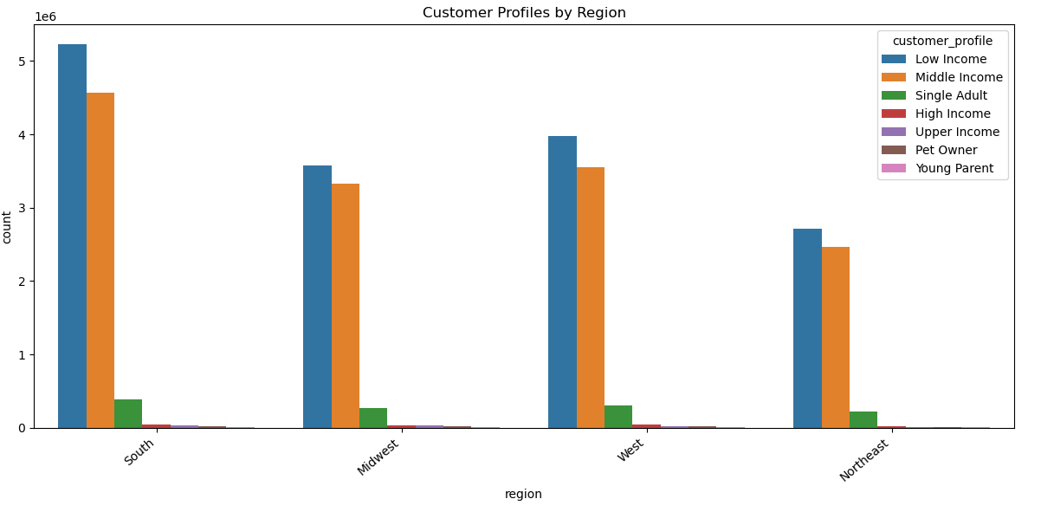

 |  |  |  | All regions are having similar patterns of expenditures over the customer profile.
 |  |  |  | The regon wise expenditures are in the order of south, west, midwest, northwest.

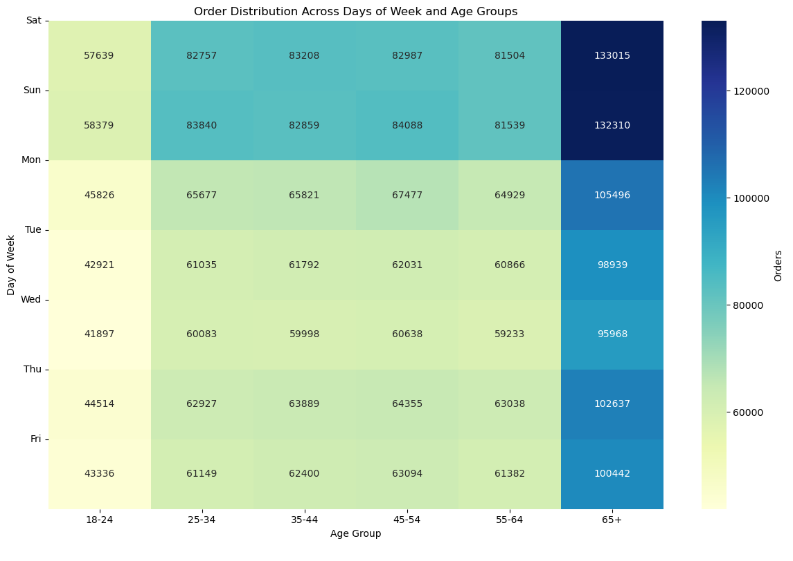 |  |  |  | Heat map analysis over the Age group on Day of week and order count Saturday, Sunday has most orders compared to all other days. Age group 65+ are the most odering The orders are in relation to age group

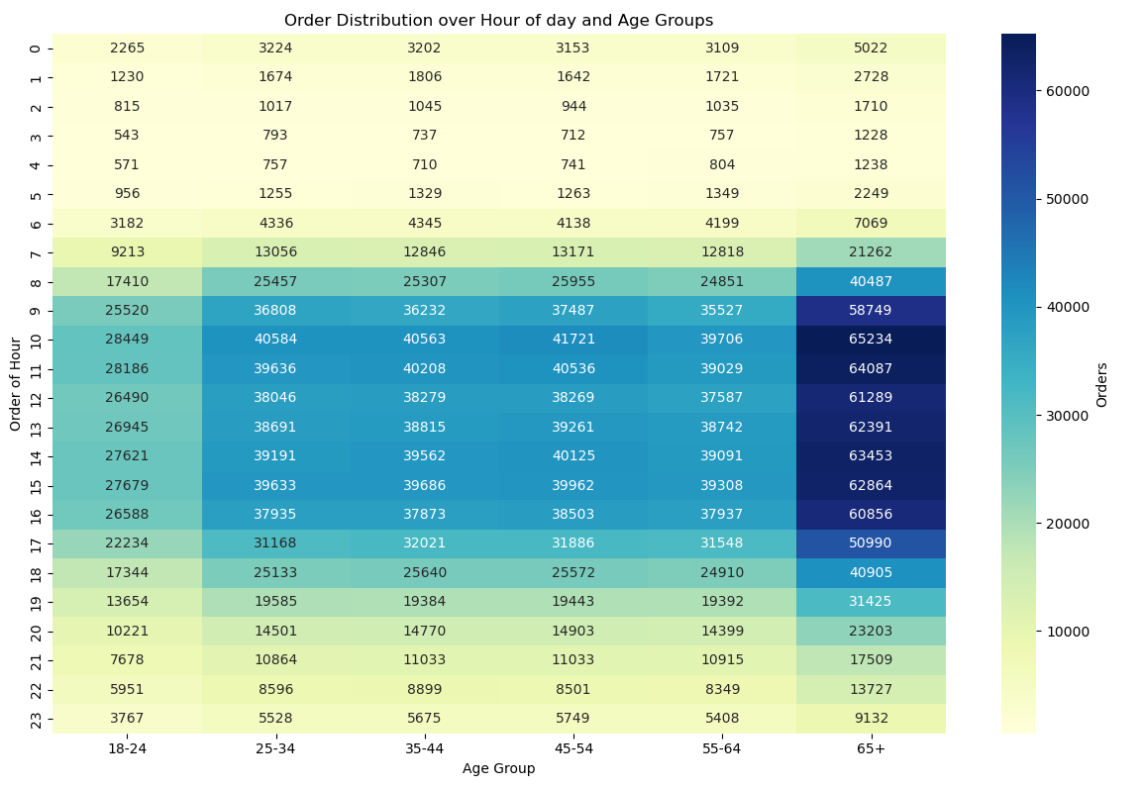

 |  |  |  | Heat map analysis over the Age group on Order of Hour and Order count
 |  |  |  | Most orders are falling within the hours 8 to 16
 |  |  |  | Orders and age group has direct relation

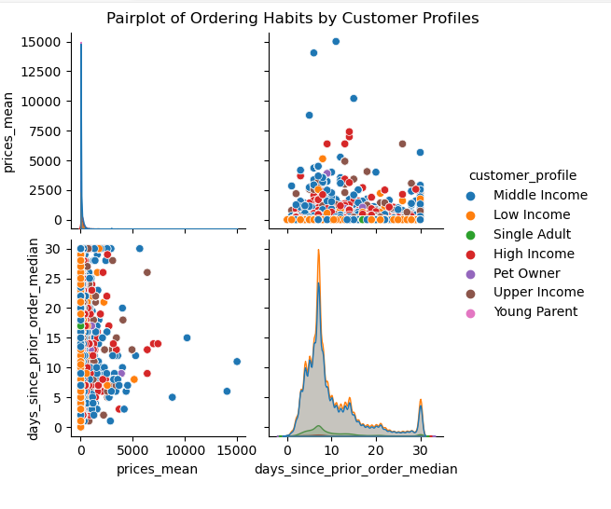

 |  | Lower price products are most selling .
 |  | Middle & low income people are buying frequently & more.
 |  | Most customers order frequency is ranging from 1 - 10 and next frequency is monthly.

7. Recommendations
 | Title page

Recommendations

In this tab you should include any recommendations you would made to Instcart in terms of their marketing strategy based on the questions posed in the brief. Every key question has been covered in the Tasks of the Exercises - here you need to add an item - a visualisation or table/crosstable that is showing the answer in the data, acompanied by a comment from you. Please, list the questions below and add the answer underneath.

Recommendations

Based on the analysis of Instacart's customer expenditures and orders, recommendations for marketing strategies are as follows.
Scheduled Ad on the less busiest days and time of the week.
Instacart's customer distribution does not have much difference in expenditure or orders depending on income, age group, age, or region.
Regardless of income, age, age, or location, all consumers showed similar patterns of ordering habits.
The most important groups are Middel age and Mid-income, and the main products are departments such as produce, dairy eggs, snacks, and beverage.

To be focused on other products marketing which have less sales.
Implement targeted discounts or promotions for products with lower sales to stimulate interest
Encourage customers to explore complementary items to increase visibility and potential sales
Gather customer feedback on products with lower sales to understand any concerns or areas for improvement
Optimize the online and in-store display of less popular products. Ensure they are prominently featured and visually appealing to capture the attention of potential buyers.

Develop new customers according to analysis the new customer count is less.
Leverage the power of social media platforms to engage with potential customers. Utilize targeted advertising, compelling content, and interactive campaigns to create awareness and drive user acquisition
Explore strategic partnerships with complementary businesses or influencers in the industry. Collaborative efforts can expand our reach and introduce our products to new audiences
Optimize our online presence, including the website and e-commerce platforms, to ensure a seamless and user-friendly experience. A well-presented online storefront can attract and convert potential customers
ntroduce special promotions or discounts for new customers as an incentive for their first purchase

Need more Marketing & focus on less sales region
From Analysis it is clear the south region is top most in both count & sales, Next comes the midwest region.
West region is mostly very near to midwest region.
Least region wise is Northeast , where the marketing team to focus a lot.

Key Questions
1. The sales team needs to know what the busiest days of the week and hours of the day are (i.e., the days and times with the most orders) in order to schedule ads at times when there are fewer orders.
The analysis reveals that our peak order days are Saturday, Sunday & friday , least busy days are making them ideal for scheduling ads and promotions to maximize visibility.
The Busiest time is from morning 9 - evening 4.To optimize ad engagement, it's recommended to schedule advertisements during non-peak hours, particularly on [mention less busy days]
when users may have more time to explore and engage with promotions.
To balance demand and create a more even flow of orders, consider running promotions during the hours when order volumes typically dip, such as before 9 & after 4pm.

2. They also want to know whether there are particular times of the day when people spend the most money, as this might inform the type of products they advertise at these times.

The data suggests that from 9 -4 pm are associated with higher spending behavior. This presents an opportunity to focus on advertising our luxury or high-end products during these lucrative time slots.
Understanding the peak spending times allows us to optimize ad content, ensuring that we showcase products with higher profit margins during these key periods.
Consider featuring premium or high-margin products during peak spending hours, as customers are more likely to make substantial purchases during these times.

3. Instacart has a lot of products with different price tags. Marketing and sales want to use simpler price range groupings to help direct their efforts

High Price: over $15, Middle Price: between $15 and $7, Low Price: under $7
Organizing products into simplified price ranges enables sales teams to tailor their strategies based on customer preferences within each category. This personalized approach can lead to improved conversion rates and customer satisfaction
Communicating clear price groupings helps reinforce our customer value proposition. It allows us to showcase the diversity of our product range while simplifying the decision-making process for potential buyers

4. Are there certain types of products that are more popular than others? The marketing and sales teams want to know which departments have the highest frequency of product orders.

The departments with the most orders are produce, dairy eggs, snacks, beverages, and frozen.

5a. What’s the distribution among users in regards to their brand loyalty (i.e., how often do they return to Instacart)?

Regular customers who ordered more made up the largest share in numbers and spend.

5b. Are there differences in ordering habits based on a customer’s loyalty status?

There is no significant difference in ordering habits based on customer loyalty. All customers order produce the most, followed by dairy eggs, snacks, and beverages.
These four departments account for approximately 80% of total orders.

5c. Are there differences in ordering habits based on a customer’s region?

There is no significant difference in ordering habits based on the regions.

5d. Is there a connection between age and family status in terms of ordering habits?

Approximately 70% of our customers are married, 30% of our customers are single.
Customers in Family status means married customers are ordering most compare to the other customers. Next comes the single status customers.

5e. What different classifications does the demographic information suggest? Age? Income? Certain types of goods? Family status?

It is clear that almost for every customer profile the expenditure on each department is same except pets, babys, international.
In meat and Seafood low income and middle income more are less same .
The highest expenditure is made by low & middle income together.

5f. What differences can you find in ordering habits of different customer profiles? Consider the price of orders, the frequency of orders, the products customers are ordering, and anything else you can think of.

All regions are having similar patterns of expenditures over the customer profile.
The regon wise expenditures are in the order of south, west, midwest, northwest.
Lower price products are most selling .
Middle & low income people are buying frequently & more.
Most customers order frequency is ranging from 1 - 10 and next frequency is monthly.

